Read Me First
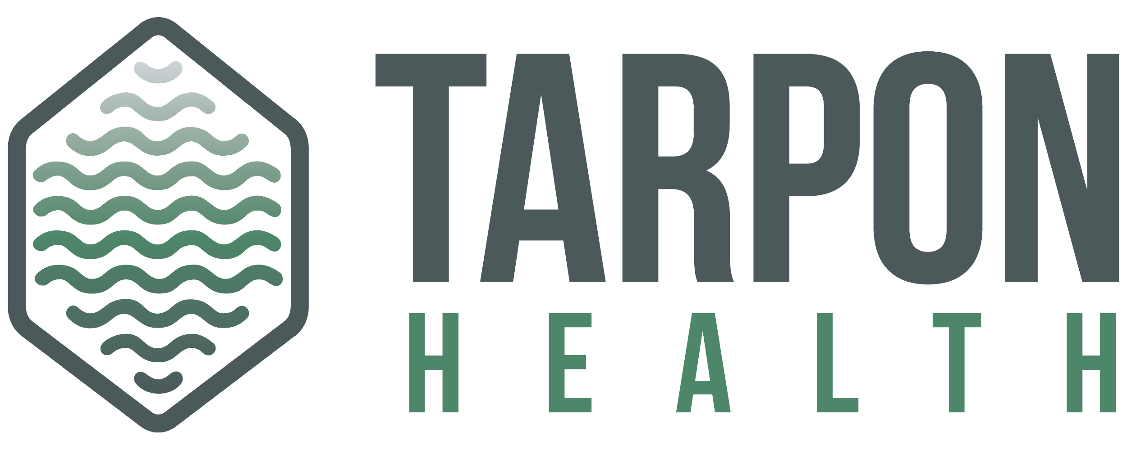
Tarpon Health IT Readiness Toolkit

Intended use

The intent of the IT Readiness Toolkit is to guide automation programs and IT departments through automation infrastructure requirements and best-practices.

Instructions

1. Users should complete the toolkit in this order: Read through the IT Checklist, select Yes or No in the "IT Follows Recommendation" boxes, view your IT readiness score/suggestion at the bottom Note: The toolkit has standard calculations and formulas created by the Tarpon Team. Please reach out if you need any clarifications.

