Read Me First
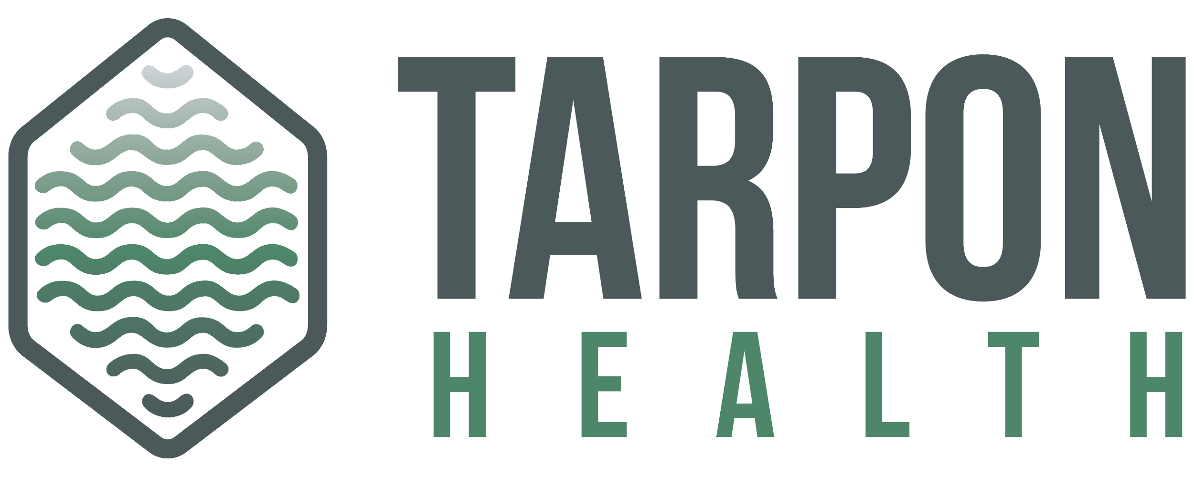
Tarpon Health Team Alignment Survey

Intended use

The intent of the team alignment survey is to help leaders understand how well a team is functioning. Most commonly this is used at the start of a project.

What is GRPI?
The GRPI model is a framework that describes the key factors that teams need to function in an effective way. GRPI is an acronym that stands for: Goals, Roles and Responsibilities, Processes and Procedures, Interactions / Interpersonal Relationships. Using a GRPI model will help leaders understand where the strengths and weakness lie in the four categories. Action plans are created around low scoring questions and categories, strengthening the team dynamics that will ultimately lead to higher functioning team.

Categories explained
Goals - Goals refer to the objectives or outcomes that a team aims to achieve. They provide direction and purpose to the team's efforts, guiding their actions and decisions. Roles and Responsibilities - Roles and responsibilities define the tasks, duties, and functions assigned to each team member. Clarifying roles helps prevent confusion, duplication of effort, and conflicts within the team. It ensures that everyone understands what is expected of them and contributes effectively to achieving the team's goals. Process and Procedures - Process and procedures encompass the methods, workflows, and protocols that the team follows to accomplish its tasks and goals. Establishing clear processes ensures efficiency, consistency, and quality in the team's work. It involves defining steps, guidelines, and standards for carrying out activities, managing resources, and resolving issues. Interactions/Interpersonal Relationships - Interactions and interpersonal relationships refer to the communication, collaboration, and dynamics among team members. Effective interactions foster trust, cohesion, and mutual support within the team. Building positive relationships encourages open dialogue, empathy, and respect, enhancing teamwork and overall performance.

